Percentiles
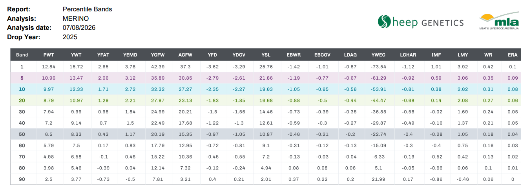
Band | PWT | YWT | YFAT | YEMD | YCFW | ACFW | YFD | YDCV | YSL | EBWR | EBCOV | LDAG | YWEC | LCHAR | IMF | LMY | WR | ERA
1 | 12.84 | 15.72 | 2.65 | 3.78 | 42.39 | 37.30 | -3.62 | -3.29 | 25.76 | -1.42 | -1.01 | -0.87 | -73.54 | -1.12 | 1.01 | 3.92 | 0.42 | 0.10
5 | 10.96 | 13.47 | 2.06 | 3.12 | 35.89 | 30.85 | -2.79 | -2.61 | 21.86 | -1.19 | -0.77 | -0.67 | -61.29 | -0.92 | 0.59 | 3.06 | 0.35 | 0.09
10 | 9.97 | 12.33 | 1.71 | 2.72 | 32.32 | 27.27 | -2.35 | -2.27 | 19.63 | -1.05 | -0.65 | -0.56 | -53.91 | -0.81 | 0.38 | 2.62 | 0.31 | 0.08
20 | 8.79 | 10.97 | 1.29 | 2.21 | 27.97 | 23.13 | -1.83 | -1.85 | 16.68 | -0.88 | -0.50 | -0.44 | -44.47 | -0.68 | 0.14 | 2.08 | 0.27 | 0.06
30 | 7.94 | 9.99 | 0.98 | 1.84 | 24.99 | 20.21 | -1.50 | -1.56 | 14.46 | -0.73 | -0.39 | -0.35 | -36.85 | -0.58 | -0.02 | 1.69 | 0.24 | 0.05
40 | 7.20 | 9.14 | 0.70 | 1.50 | 22.49 | 17.68 | -1.22 | -1.30 | 12.61 | -0.59 | -0.30 | -0.27 | -29.87 | -0.49 | -0.16 | 1.37 | 0.21 | 0.05
50 | 6.50 | 8.33 | 0.43 | 1.17 | 20.19 | 15.35 | -0.97 | -1.05 | 10.87 | -0.46 | -0.21 | -0.20 | -22.74 | -0.40 | -0.28 | 1.05 | 0.18 | 0.04
60 | 5.79 | 7.50 | 0.17 | 0.83 | 17.79 | 12.95 | -0.72 | -0.81 | 9.10 | -0.31 | -0.12 | -0.13 | -15.09 | -0.30 | -0.40 | 0.75 | 0.16 | 0.03
70 | 4.98 | 6.58 | -0.10 | 0.46 | 15.22 | 10.36 | -0.45 | -0.55 | 7.20 | -0.13 | -0.03 | -0.04 | -6.33 | -0.19 | -0.52 | 0.42 | 0.13 | 0.02
80 | 3.98 | 5.46 | -0.39 | 0.04 | 12.14 | 7.32 | -0.12 | -0.24 | 4.94 | 0.08 | 0.08 | 0.06 | 5.10 | -0.05 | -0.66 | 0.06 | 0.10 | 0.01
90 | 2.50 | 3.77 | -0.73 | -0.50 | 7.81 | 3.21 | 0.40 | 0.21 | 2.01 | 0.37 | 0.22 | 0.20 | 21.99 | 0.17 | -0.86 | -0.46 | 0.06 | 0.00

